Indices

 | Iraq Stock Exchange
 | Bulletin No (26)
 | ISX Trading Indices of Tuesday 10/2/2026

 | Traded Volume and OTC |  | 487,343,362 |  | Traded Value and OTC |  | 665,092,455 |  | Traders | 847

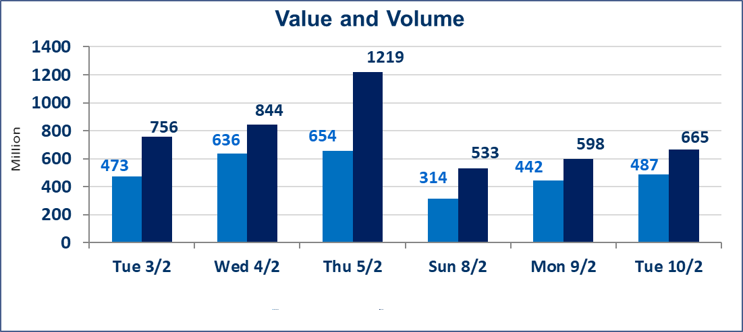
 | ISX Index 60 |  |  | 952.69 | ISX Index 15 |  |  | 1223.82
 | Previous ISX Index60 |  |  | 954.53 | Previous ISX Index15 |  |  | 1226.41
 | Change % |  |  | -0.19 | Change % |  |  | -0.21
 | Change |  |  | -1.84 | Change |  |  | -2.59

 | Listed Companies | 104 | OTC | 14 | Non Traded listed | 41 | OTC | 13
 | Traded Listed Companies | 51 | OTC | 1 | Higher Companies |  |  | 9
 | GAM Companies |  |  | 2 | Lower Companies |  |  | 21
 | Suspended Companies |  |  | 10
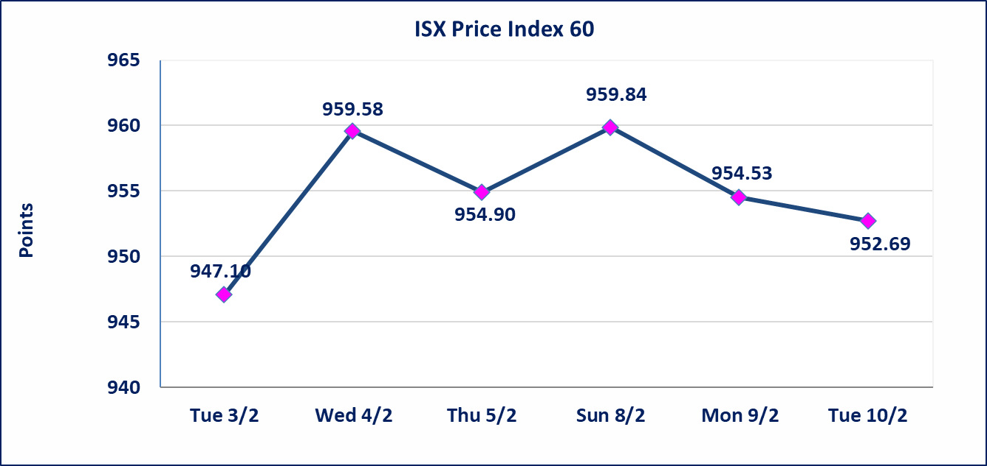
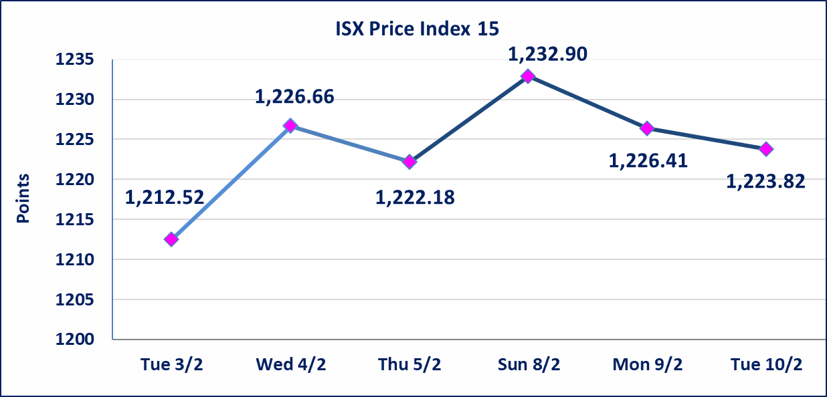

Al-Alwiya P.O . 3607 Mobile: 07711211522 - 07270094594 - 07834000034 E-mail: info-isx@isx-iq.net Web site:www.isx-iq.net

Top 5
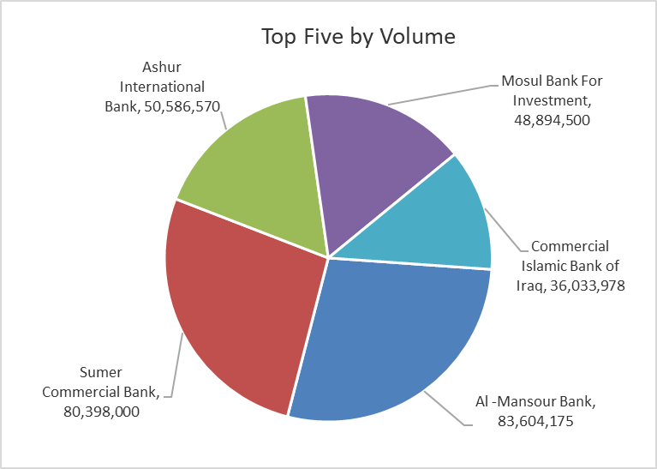
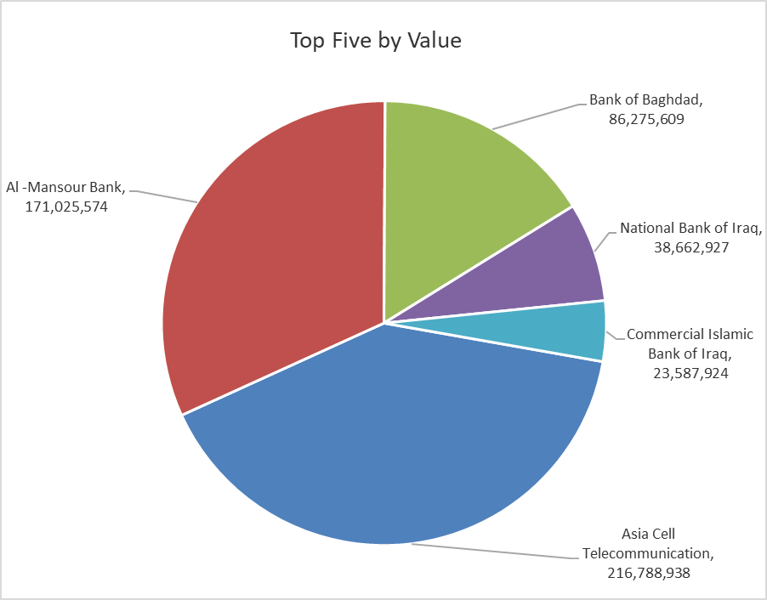

ISX top ganing and losing companies
Tuesday 10/2/2026
 | Gainers |  |  |  | Losers
 | Company Name | Closing Price | Change (%) | Traded Volume | Company Name | Closing Price | Change (%) | Traded Volume
 | Alahliya For Insurance | 0.820 | 18.84 | 69,153 | Tourist Village of Mosul dam | 11.050 | -15.00 | 489,465
 | Middle East Bank | 0.070 | 16.67 | 488,523 | Rehab Karbalaa | 0.600 | -14.29 | 2,923,187
 | National Islamic Bank | 0.400 | 14.29 | 300,000 | National Furniture Industries | 1.000 | -9.09 | 39,326
 | Al-Kindi of Veterinary Vaccines | 2.500 | 4.17 | 11,841 | Mosul Bank For Investment | 0.130 | -7.14 | 48,894,500
 | Al-Khatam Telecom | 3.300 | 1.54 | 1,222,342 | AL-Nukhba for Construction | 0.650 | -7.14 | 1,998,712
 | The most active companies in term of traded volume and value

 | Traded Volume |  |  |  | Traded Value
 | Company Name | Closing Price | Change (%) | Traded Volume | Company Name | Closing Price | Change (%) | Traded Value
 | Al -Mansour Bank | 2.050 | 0.00 | 83,604,175 | Asia Cell Telecommunication | 14.880 | -0.47 | 216,788,938
 | Sumer Commercial Bank | 0.130 | 0.00 | 80,398,000 | Al -Mansour Bank | 2.050 | 0.00 | 171,025,574
 | Ashur International Bank | 0.240 | -4.00 | 50,586,570 | Bank of Baghdad | 3.030 | -1.30 | 86,275,609
 | Mosul Bank For Investment | 0.130 | -7.14 | 48,894,500 | National Bank of Iraq | 4.600 | 0.22 | 38,662,927
 | Commercial Islamic Bank of Iraq | 0.670 | 1.52 | 36,033,978 | Commercial Islamic Bank of Iraq | 0.670 | 1.52 | 23,587,924

Not Trading Bonds

Iraq Stock Exchange
Tuesday 10/2/2026
Not Trading Bonds Bulletin
Bond type | Publish type | Code | last trading price | immortilize date
Banaa Bonds /Million ID | Second | CB20 | 964,981 | 19/12/2025
Eamar Bonds /Million ID | First | CB30 | 1,001,095 | ــــــــــــــــ
Eamar Bonds /Million ID | Second | CB40 | ــــــــــــــــ | ــــــــــــــــ
Eamar Bonds /500 Thousand ID | Third | CB45 | ــــــــــــــــ | ــــــــــــــــ
Eamar Bonds /Million ID | Third | CB50 | ــــــــــــــــ | ــــــــــــــــ
Injaz Bonds /500 Thousand ID | First | CB55 | ــــــــــــــــ | ــــــــــــــــ
Injaz Bonds /Million ID | First | CB60 | ــــــــــــــــ | ــــــــــــــــ
Injaz Bonds /500 Thousand ID | Second | CB65 | 515,047 | ــــــــــــــــ
Injaz Bonds /Million ID | Second | CB70 | 1,026,082 | ــــــــــــــــ
Injaz Bonds /500 Thousand ID | Third | CB75 | ــــــــــــــــ | ــــــــــــــــ
Injaz Bonds /Million ID | Third | CB80 | 978,182 | ــــــــــــــــ
National Bonds/Million ID | First | CB90 | ــــــــــــــــ | ــــــــــــــــ
National Bonds/500 Thousand ID | Second | CB95 | ــــــــــــــــ | ــــــــــــــــ
National Bonds/Million ID | Second | CB100 | ــــــــــــــــ | ــــــــــــــــ

